KNN
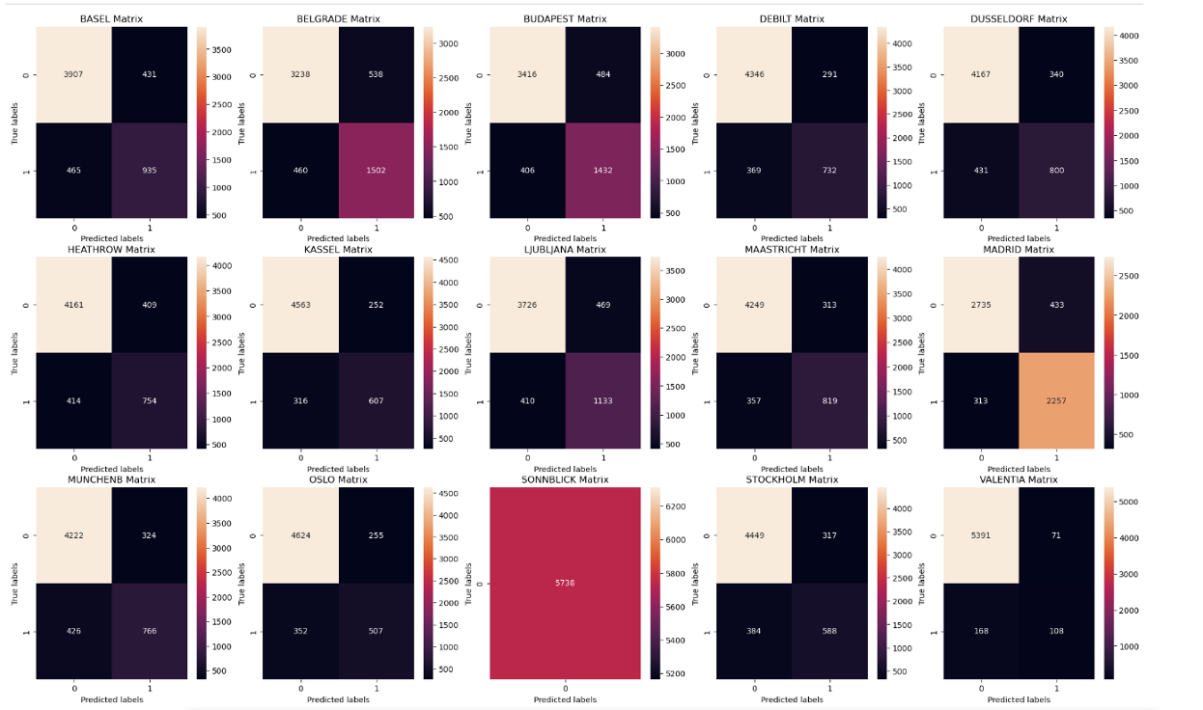
K-Nearest Neighbor Confusion Matrix Results
Weather Station | Accurate Prediction |  | False Positive (q2) | False Negative (q3) | Accuracy Rate
 | Pleasant (q4) | Unpleasant (q1)
'BASEL', | 3907 | 935 | 431 | 465 | 84%
'BELGRADE', | 3238 | 1502 | 538 | 460 | 83%
'BUDAPEST', | 3416 | 1432 | 484 | 406 | 84%
'DEBILT', | 4346 | 732 | 291 | 369 | 88%
'DUSSELDORF', | 4167 | 800 | 340 | 431 | 87%
'HEATHROW', | 4161 | 754 | 409 | 414 | 86%
'KASSEL', | 4563 | 607 | 252 | 316 | 90%
'LJUBLJANA', | 3726 | 1133 | 469 | 410 | 85%
'MAASTRICHT', | 4249 | 819 | 313 | 357 | 88%
'MADRID', | 2735 | 2257 | 433 | 313 | 87%
'MUNCHENB', | 4222 | 766 | 324 | 426 | 87%
'OSLO', | 4624 | 507 | 255 | 352 | 89%
'SONNBLICK', | 0 | 5738 | 0 | 0 | 100%
'STOCKHOLM', | 4449 | 588 | 317 | 384 | 88%
'VALENTIA' | 5391 | 108 | 71 | 168 | 96%
Total | 57194 | 18678 | 4927 | 5271 | 88%

ANN
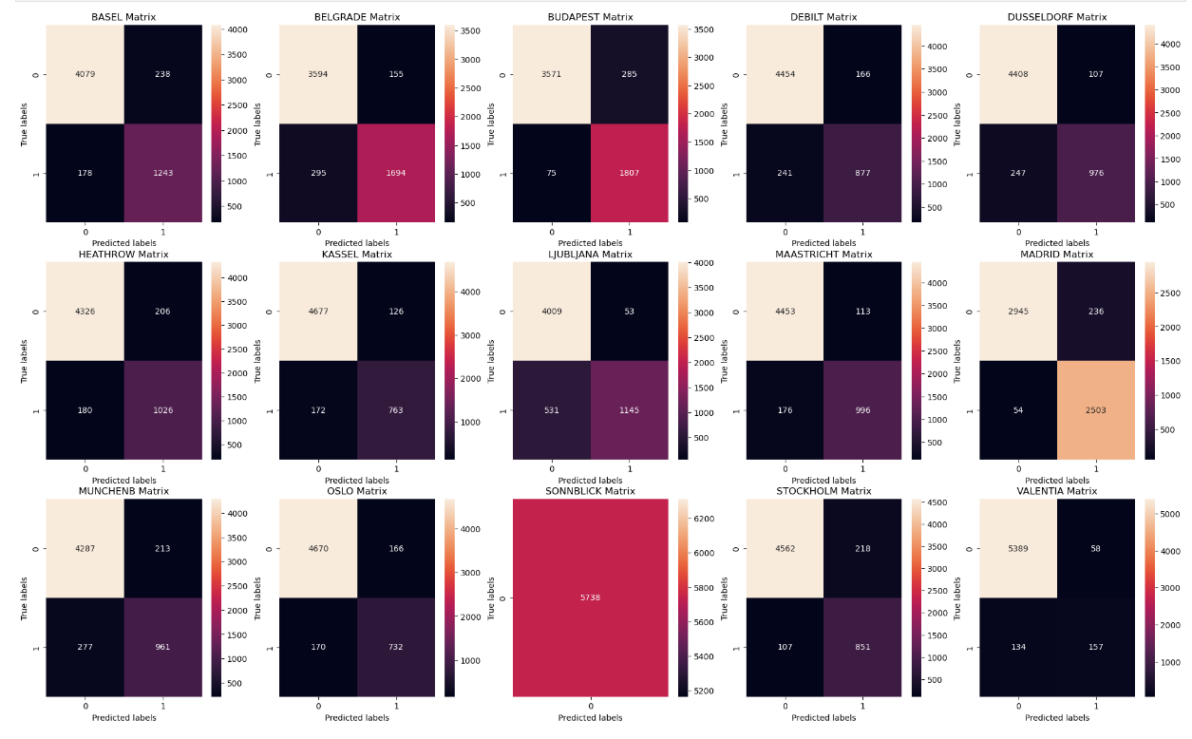
Artificial Neural Network Confusion Matrix Results
Weather Station | Accurate Prediction |  | False Positive (q2) | False Negative (q3) | Accuracy Rate
 | Pleasant (q4) | Unpleasant (q1)
'BASEL', | 1243 | 4079 | 238 | 178 | 93%
'BELGRADE', | 1694 | 3594 | 155 | 295 | 92%
'BUDAPEST', | 1807 | 3571 | 285 | 75 | 94%
'DEBILT', | 877 | 4454 | 166 | 241 | 93%
'DUSSELDORF', | 976 | 4408 | 107 | 247 | 94%
'HEATHROW', | 1026 | 4326 | 206 | 180 | 93%
'KASSEL', | 763 | 4677 | 126 | 172 | 95%
'LJUBLJANA', | 1145 | 4009 | 53 | 531 | 90%
'MAASTRICHT', | 996 | 4453 | 113 | 176 | 95%
'MADRID', | 2503 | 2945 | 236 | 54 | 95%
'MUNCHENB', | 961 | 4287 | 213 | 277 | 91%
'OSLO', | 732 | 4670 | 166 | 170 | 94%
'SONNBLICK', | 0 | 5738 | 0 | 0 | 100%
'STOCKHOLM', | 851 | 4562 | 218 | 107 | 94%
'VALENTIA' | 157 | 5389 | 58 | 134 | 97%
Total | 15731 | 65162 | 2340 | 2837 | 94%

